testscenarios login
Test scenario:- |  | Login Functionality

Sr.no | Test case id | Test scenario | pre condition | Test step | Test data | Expected result | Actual result | Status | screenshot
1 | TC_LN_01 | To Login with valid credentials | 1.user should be have active internet | 1. Open login page 2. Enter valid username & password 3. Click Login | https://opensource-demo.orangehrmlive.com/web/index.php/auth/login | 1.Application should be lauched 2. Enter valid username &invalid password 3.clicked on login button 4.Redirected to dashboard | 1.Application is lauched 2. Enter valid username & password 3.clicked on login button 4.Redirected to dashboard | pass | 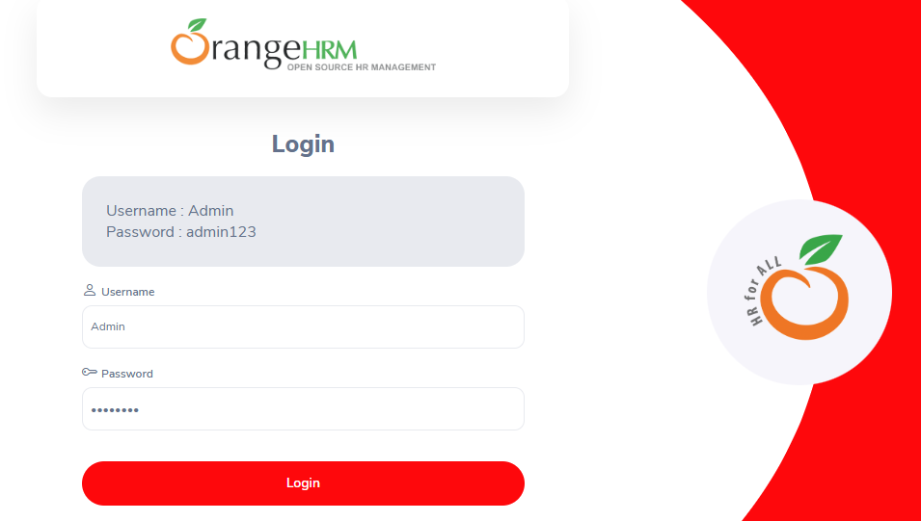
2 | TC_LN_02 | Invalid Login (Wrong password) | 1.user should be have active internet | 1. Enter valid username 2. Enter incorrect password 3. Click Login | https://opensource-demo.orangehrmlive.com/web/index.php/auth/login | 1.Application should be lauched 2. Enter valid username &invalid password 3.clicked on login button 4."Invalid credentials" message shown | 1.Application is lauched 2. Entered valid username &invalid password 3.clicked on login button 4."Invalid credentials" message shown | pass | 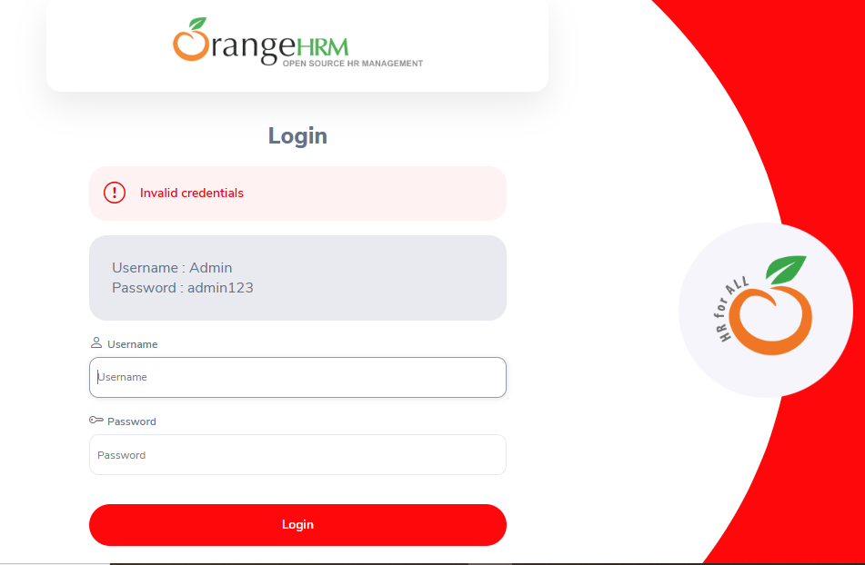
3 | TC_LN_03 | Blank Fields | 1.user should be have active internet | 1. Leave username & password empty 2. Click Login | https://opensource-demo.orangehrmlive.com/web/index.php/auth/login | 1.Application should be lauched 2.leave username and password 3.clicked on login button 4.Error messages for required fields | 1.Application is lauched 2.leaved username and password 3.clicked on login button 4.Error messages for required fields | pass | 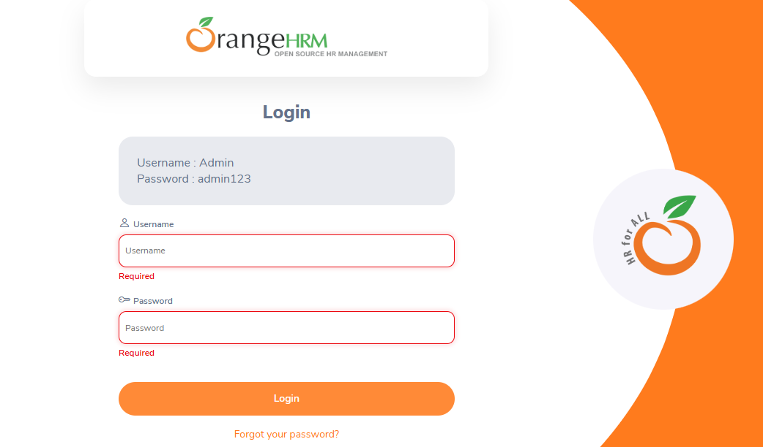
4 | TC_LN_04 | Invalid Username | 1.user should be have active internet | 1. Enter an invalid username 2. Enter valid password 3. Click Login | https://opensource-demo.orangehrmlive.com/web/index.php/auth/login | 1.Application should be lauched 2.Enter invalid username &valid password 3.clicked on login button 4.Invalid credentials" message shown | 1.Application is lauched 2.Enter invalid username &valid password 3.clicked on login button 4.Invalid credentials" message shown | pass
5 | TC_LN_05 | Password Field Masking | 1.user should be have active internet | 1. Enter password in the field | https://opensource-demo.orangehrmlive.com/web/index.php/auth/login | 1.Application should be lauched 2.Enter valid username &valid password 3.Password should be masked (••••••) | 1..Application is lauched 2.Entered valid username &valid password 3.Password should be masked (••••••) | pass
 | TC_LN_06 | Browser Back Button After Login | 1.user should be have active internet | 1. Login successfully 2. Click browser Back | https://opensource-demo.orangehrmlive.com/web/index.php/auth/login | 1.Application should be lauched 2. Enter valid username &invalid password 3.clicked on login button 4.Should stay on dashboard, not return to login | 1..Application is lauched 2.Entered valid username &invalid password 3.clicked on login button 4.It is stay on dashboard,not return to login | pass
 | TC_LN_07 | SQL Injection Attempt | 1.user should be have active internet | 1. Enter ' OR '1'='1 in username and password fields 2. Click Login | https://opensource-demo.orangehrmlive.com/web/index.php/auth/login | 1.Application should be lauched 2. Enter ' OR '1'='1 in username and password fields 3.clicked on login button 4.Login fails with proper error message | 1.Application is lauched 2. Enter ' OR '1'='1 in username and password fields 3.clicked on login button 4.Login fails with proper error message | pass | 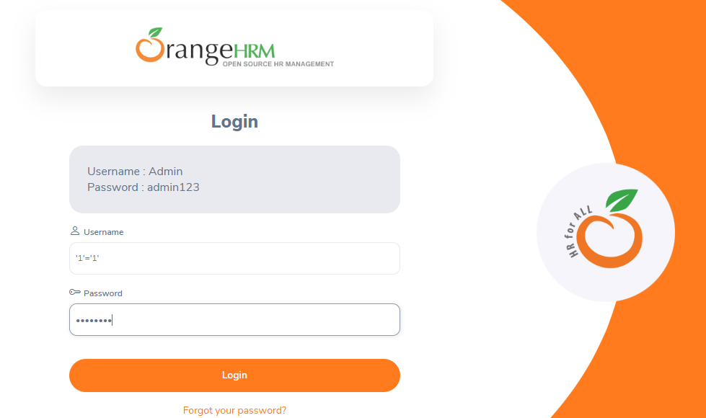
 | TC_LN_08 | Case Sensitivity | 1.user should be have active internet | 1. Enter valid username in different cases (e.g., "Admin" vs "admin") | https://opensource-demo.orangehrmlive.com/web/index.php/auth/login | 1.Application should be lauched 2. Enter valid username in different cases (e.g., "Admin" vs "admin") 3.clicked on login button 4.Username should be case-sensitive or handle properly | 1.Application is lauched 2. Enter valid username in different cases (e.g., "Admin" vs "admin") 3.clicked on login button 4.Username should be case-sensitive or handle properly | pass | 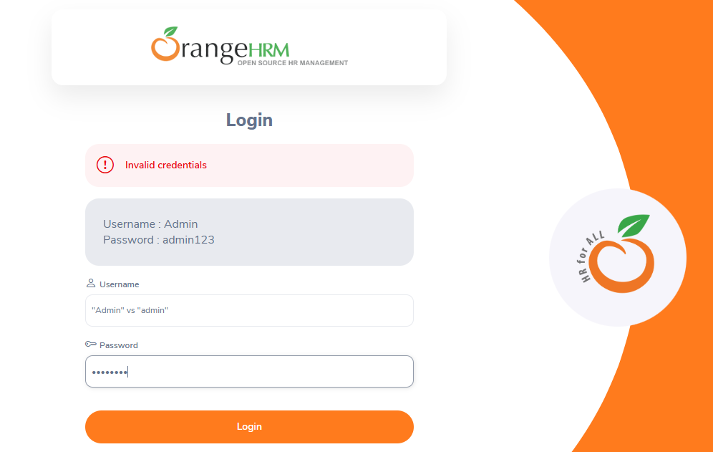

testscenarios employee manag
Test scenario:- |  | Managing Newly Added Employees (View, Update, Delete)

Sr.no | Test case id | Test scenario | pre condition | Test step | Test data | Expected result | Actual result | Status | screenshot
1 | TC_EM_01 | Add New Employee | 1.user should be have active internet | 1. Login 2. Navigate to PIM > Add Employee 3. Enter details (first name, last name, ID) 4. Save | https://opensource-demo.orangehrmlive.com/web/index.php/auth/login | 1.Application should be lauched 2.Employee added successfully; appears in Employee List | 1.Application is lauched 2.Employee is added successfully; appeared in Employee List | pass | 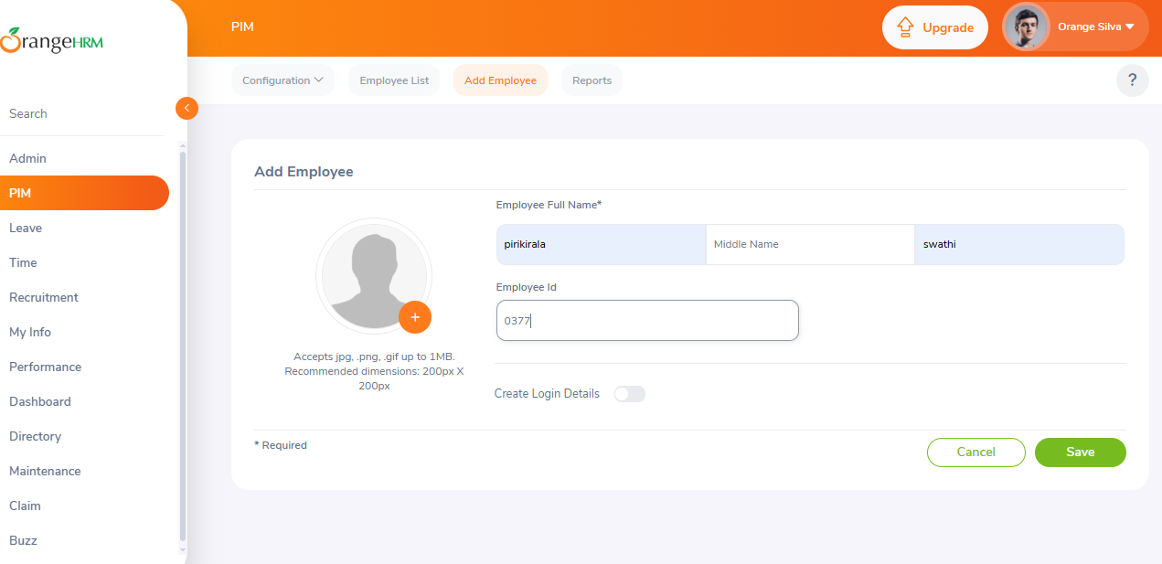
2 | TC_EM_02 | View Employee Details | 1.user should be have active internet | 1. Go to Employee List 2. Search for newly added employee by name or ID 3. Click on employee name | https://opensource-demo.orangehrmlive.com/web/index.php/auth/login | 1.Application should be lauched 2.Detailed info page for the employee is displayed | 1.Application is lauched 2.Detailed info page for the employee is displayed | pass | 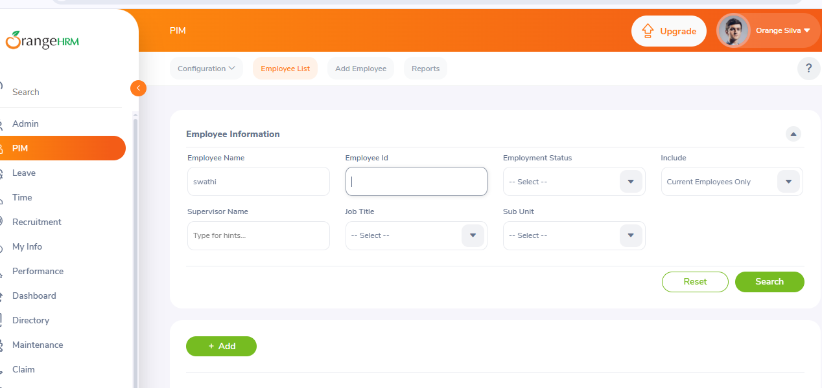 | 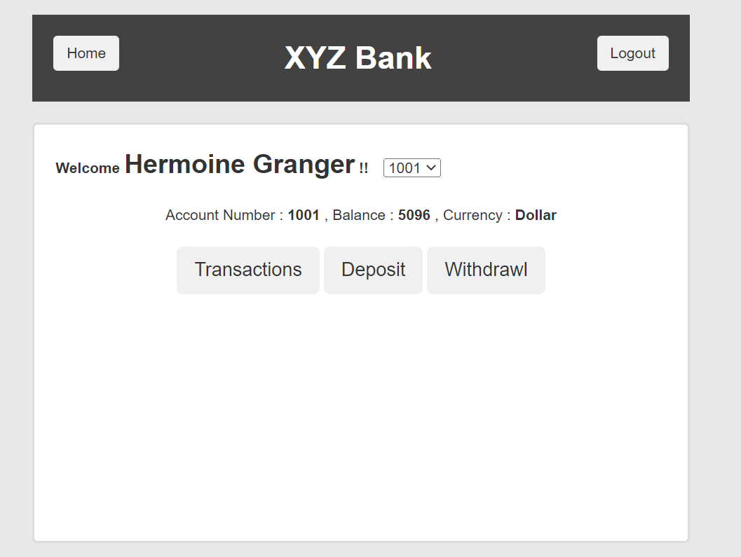
3 | TC_EM_03 | Update Employee Information | 1.user should be have active internet | 1. Search for employee 2. Click Edit 3. Change details (e.g., job title) 4. Click Save | https://opensource-demo.orangehrmlive.com/web/index.php/auth/login | 1.Application should be lauched 2.Updated information saved and displayed | 1.Application is lauched 2 Updated information saved and displayed | pass | 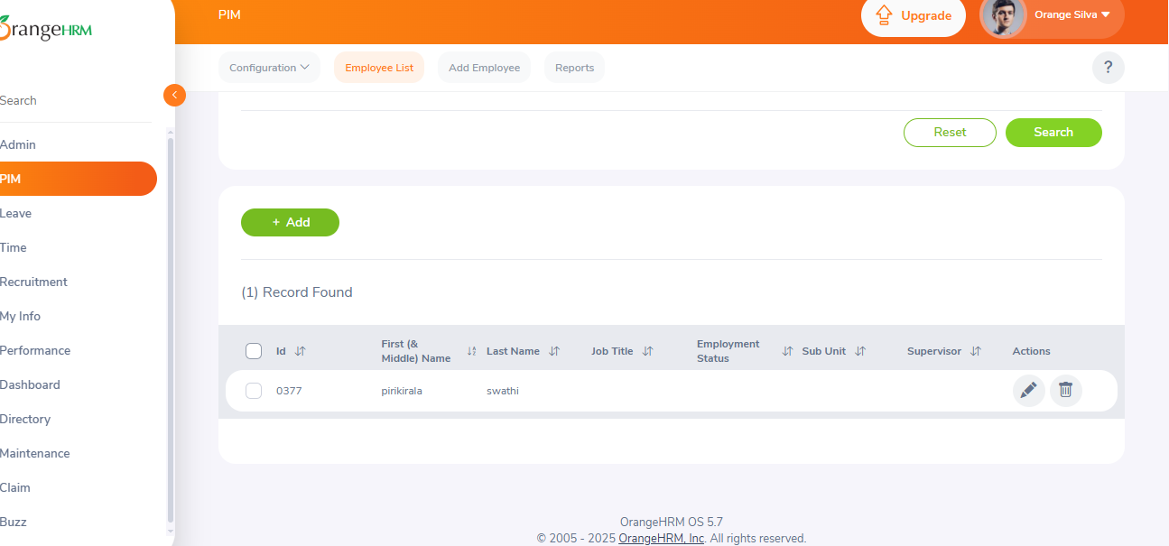
4 | TC_EM_04 | Delete an Employee | 1.user should be have active internet | 1. Search for employee 2. Select and click Delete 3. Confirm deletion | https://opensource-demo.orangehrmlive.com/web/index.php/auth/login | 1.Application should be lauched 2.Employee is removed from the list | 1.Application is lauched 2.Employee is removed from the list | pass | 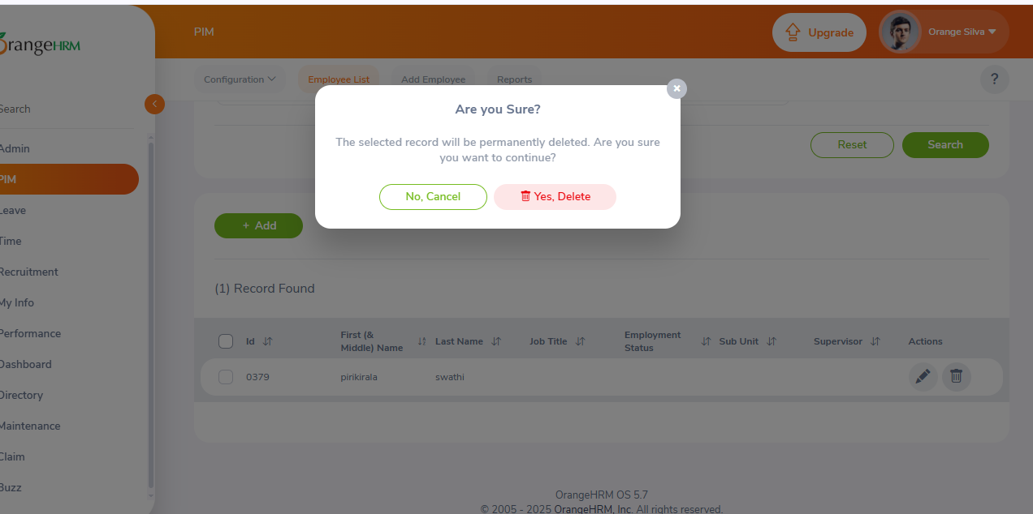
5 | TC_EM_05 | View After Deletion | 1.user should be have active internet | 1. Search for deleted employee | https://opensource-demo.orangehrmlive.com/web/index.php/auth/login | 1.Application should be lauched 2.Employee should not be found | 1.Application should be lauched 2.Employee is not be found | pass | 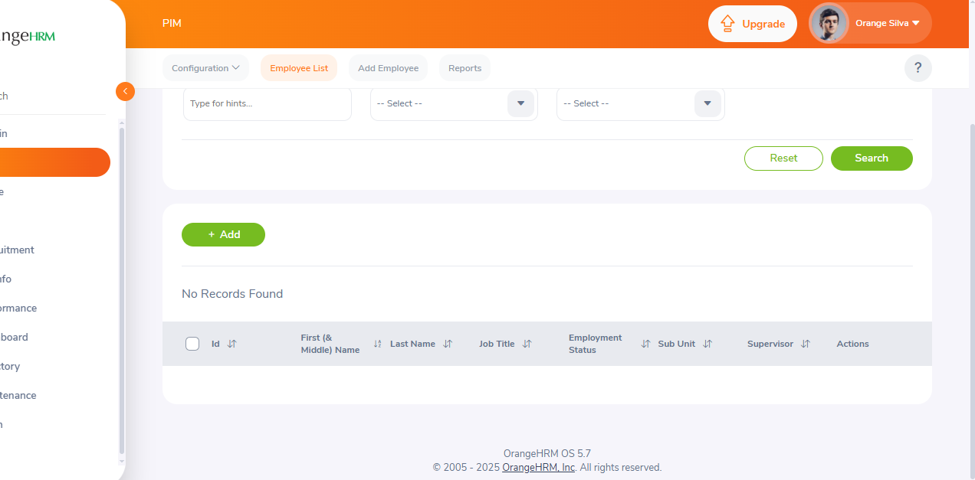
 | TC_EM_06 | Add Employee Without Required Fields | 1.user should be have active internet | 1. Navigate to Add Employee 2. Leave required fields blank 3. Click Save | https://opensource-demo.orangehrmlive.com/web/index.php/auth/login | 1.Application should be lauched Error messages displayed for required fields | 1.Application should be lauched 2.Error messages displayed for required fields | pass | 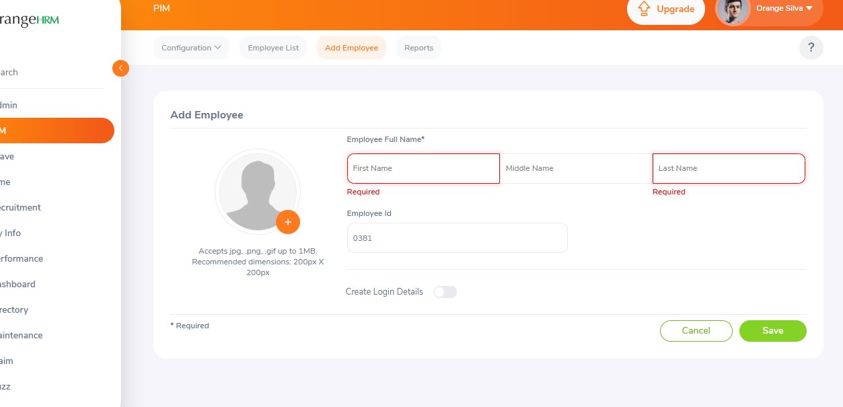
 | TC_EM_07 | Duplicate Employee ID | 1.user should be have active internet | 1. Try to add new employee with an existing Employee ID | https://opensource-demo.orangehrmlive.com/web/index.php/auth/login | 1.Application should be lauched 2.System should show a validation message or prevent submission | 1.Application is to be lauched 2.System should show a validation message or prevent submission | pass | 